Sheet1
Row Labels | Sum of Confirmed
2020-01-22 | 555
2020-01-23 | 653
2020-01-24 | 941
2020-01-25 | 1434
2020-01-26 | 2118
2020-01-27 | 2927
2020-01-28 | 5578
2020-01-29 | 6166
2020-01-30 | 8234
2020-01-31 | 9927
2020-02-01 | 12038
2020-02-02 | 16787
2020-02-03 | 19881
2020-02-04 | 23892
2020-02-05 | 27635
2020-02-06 | 30817
2020-02-07 | 34391
2020-02-08 | 37120
2020-02-09 | 40150
2020-02-10 | 42762
2020-02-11 | 44802
2020-02-12 | 45221
2020-02-13 | 60368
2020-02-14 | 66885
2020-02-15 | 69030
2020-02-16 | 71224
2020-02-17 | 73258
2020-02-18 | 75136
2020-02-19 | 75639
2020-02-20 | 76197
2020-02-21 | 76823
2020-02-22 | 78579
2020-02-23 | 78965
2020-02-24 | 79568
2020-02-25 | 80413
2020-02-26 | 81395
2020-02-27 | 82754
2020-02-28 | 84120
2020-02-29 | 86011
2020-03-01 | 88369
2020-03-02 | 90306
2020-03-03 | 92840
2020-03-04 | 95120
2020-03-05 | 97882
2020-03-06 | 101784
2020-03-07 | 105821
2020-03-08 | 109795
2020-03-09 | 113561
2020-03-10 | 118592
2020-03-11 | 125865
2020-03-12 | 128343
2020-03-13 | 145193
2020-03-14 | 156094
2020-03-15 | 167446
2020-03-16 | 181527
2020-03-17 | 197142
2020-03-18 | 214910
2020-03-19 | 242708
2020-03-20 | 272166
2020-03-21 | 304524
2020-03-22 | 335955
2020-03-23 | 336004
Grand Total | 5532341

Sheet4
SARS-COV-9(COVID-19)

 | Row Labels | Sum of Confirmed
 | 2020-01-22 | 1K
 | 2020-01-23 | 1K
 | 2020-01-24 | 1K
 | 2020-01-25 | 1K
 | 2020-01-26 | 2K
 | 2020-01-27 | 3K
 | 2020-01-28 | 6K
 | 2020-01-29 | 6K
 | 2020-01-30 | 8K
 | 2020-01-31 | 10K
 | 2020-02-01 | 12K
 | 2020-02-02 | 17K
 | 2020-02-03 | 20K
 | 2020-02-04 | 24K
 | 2020-02-05 | 28K
 | 2020-02-06 | 31K
 | 2020-02-07 | 34K
 | 2020-02-08 | 37K
 | 2020-02-09 | 40K
 | 2020-02-10 | 43K
 | 2020-02-11 | 45K
 | 2020-02-12 | 45K
 | 2020-02-13 | 60K
 | 2020-02-14 | 67K
 | 2020-02-15 | 69K
 | 2020-02-16 | 71K
 | 2020-02-17 | 73K
 | 2020-02-18 | 75K
 | 2020-02-19 | 76K
 | 2020-02-20 | 76K
 | 2020-02-21 | 77K
 | 2020-02-22 | 79K
 | 2020-02-23 | 79K
 | 2020-02-24 | 80K
 | 2020-02-25 | 80K
 | 2020-02-26 | 81K
 | 2020-02-27 | 83K
 | 2020-02-28 | 84K
 | 2020-02-29 | 86K
 | 2020-03-01 | 88K
 | 2020-03-02 | 90K
 | 2020-03-03 | 93K
 | 2020-03-04 | 95K
 | 2020-03-05 | 98K
 | 2020-03-06 | 102K
 | 2020-03-07 | 106K
 | 2020-03-08 | 110K
 | 2020-03-09 | 114K
 | 2020-03-10 | 119K
 | 2020-03-11 | 126K
 | 2020-03-12 | 128K
 | 2020-03-13 | 145K
 | 2020-03-14 | 156K
 | 2020-03-15 | 167K
 | 2020-03-16 | 182K
 | 2020-03-17 | 197K
 | 2020-03-18 | 215K
 | 2020-03-19 | 243K
 | 2020-03-20 | 272K
 | 2020-03-21 | 305K
 | 2020-03-22 | 336K
 | 2020-03-23 | 336K
 | Grand Total | 5532K

Sheet8
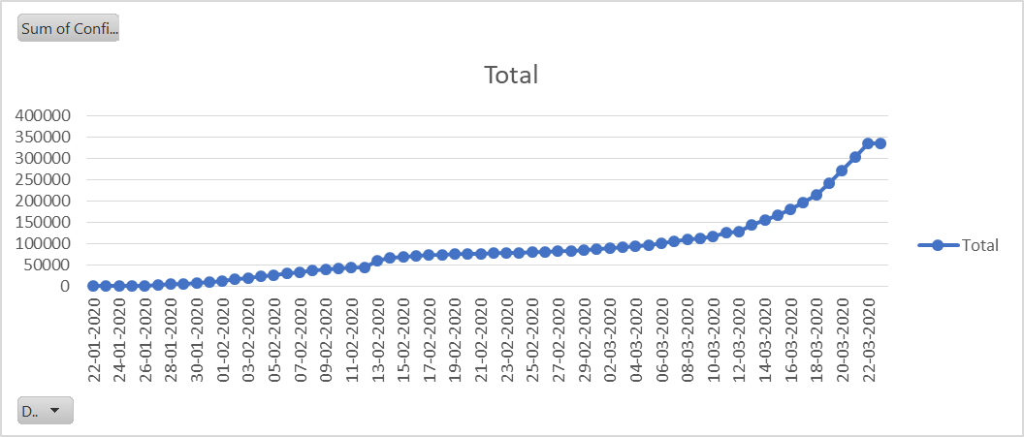
Row Labels | Sum of Confirmed
2020-01-22 | 555
2020-01-23 | 653
2020-01-24 | 941
2020-01-25 | 1,434
2020-01-26 | 2,118
2020-01-27 | 2,927
2020-01-28 | 5,578
2020-01-29 | 6,166
2020-01-30 | 8,234
2020-01-31 | 9,927
2020-02-01 | 12,038
2020-02-02 | 16,787
2020-02-03 | 19,881
2020-02-04 | 23,892
2020-02-05 | 27,635
2020-02-06 | 30,817
2020-02-07 | 34,391
2020-02-08 | 37,120
2020-02-09 | 40,150
2020-02-10 | 42,762
2020-02-11 | 44,802
2020-02-12 | 45,221
2020-02-13 | 60,368
2020-02-14 | 66,885
2020-02-15 | 69,030
2020-02-16 | 71,224
2020-02-17 | 73,258
2020-02-18 | 75,136
2020-02-19 | 75,639
2020-02-20 | 76,197
2020-02-21 | 76,823
2020-02-22 | 78,579
2020-02-23 | 78,965
2020-02-24 | 79,568
2020-02-25 | 80,413
2020-02-26 | 81,395
2020-02-27 | 82,754
2020-02-28 | 84,120
2020-02-29 | 86,011
2020-03-01 | 88,369
2020-03-02 | 90,306
2020-03-03 | 92,840
2020-03-04 | 95,120
2020-03-05 | 97,882
2020-03-06 | 101,784
2020-03-07 | 105,821
2020-03-08 | 109,795
2020-03-09 | 113,561
2020-03-10 | 118,592
2020-03-11 | 125,865
2020-03-12 | 128,343
2020-03-13 | 145,193
2020-03-14 | 156,094
2020-03-15 | 167,446
2020-03-16 | 181,527
2020-03-17 | 197,142
2020-03-18 | 214,910
2020-03-19 | 242,708
2020-03-20 | 272,166
2020-03-21 | 304,524
2020-03-22 | 335,955
2020-03-23 | 336,004
Grand Total | 5,532,341

